Dashboard Customer

Customer
DashBoard
9604190.61
Total Sales
8853839.23
Recevied Payment
750351.38
Pending Amount
105516
Total Orders
0
Credit Limit
For Executive
View Click Here
For Detailed
Sales View Click Here

Total Sales by Product Line
 | Total
Classic Cars | 3853922.49
Motorcycles | 1121426.12
Planes | 954637.54
Ships | 663998.34
Trains | 188532.92
Trucks and Buses | 1024113.57
Vintage Cars | 1797559.63
Top 5 Product by Ordered Quantity
 | Total
1952 Alpine Renault 1300 | 961
1968 Ford Mustang | 933
1992 Ferrari 360 Spider red | 1808
2001 Ferrari Enzo | 1019
2003 Harley-Davidson Eagle Drag Bike | 985
Top 5 Customer Country by Sales
 | Total
Australia | 562582.59
France | 1007374.02
New Zealand | 476847.01
Spain | 1099389.09
USA | 3273280.05

Yearly Sales
 | Total
2003 | 3317348.39
2004 | 4515905.51
2005 | 1770936.71
Total Orders by Product Line
 | Total
Classic Cars | 35582
Motorcycles | 12778
Planes | 11872
Ships | 8532
Trains | 2818
Trucks and Buses | 11001
Vintage Cars | 22933
Top 5 Product by Sales
 | Total
1952 Alpine Renault 1300 | 190017.96
1968 Ford Mustang | 161531.48
1992 Ferrari 360 Spider red | 276839.98
2001 Ferrari Enzo | 190755.86
2003 Harley-Davidson Eagle Drag Bike | 170686

Dashboard Executive
Executive View
Back to Customer View

Profit Margin by Product Line
 | Total
Classic Cars | 1526212.2
Motorcycles | 469255.3
Planes | 365960.71
Ships | 261289.47
Trains | 65341.02
Trucks and Buses | 400553.22
Vintage Cars | 737268.33
TOP EMPLOYEE
Gerard Hernandez
Sales By City
 | Total
Boston | 892538.62
London | 1436950.7
NYC | 1157589.72
Paris | 3083761.58
San Francisco | 1429063.57
Sydney | 1147176.35
Tokyo | 457110.07

Status by Order Number
 | Total
Cancelled | 6
Disputed | 3
In Process | 6
On Hold | 4
Resolved | 4
Shipped | 303
Top 5 Companies Names by Total Sales & Quantity Order
Sales by Year
 | Total
2003 | 3317348.39
2004 | 4515905.51
2005 | 1770936.71

Forecast & Analysis2
Timeline | Values | Forecast | Lower Confidence Bound | Upper Confidence Bound | Statistic | Value
2003 | 1200 |  |  |  | Alpha | 0.10
2004 | 1300 |  |  |  | Beta | 0.10
2005 | 3500 |  |  |  | Gamma | 0.00
2006 | 4500 | 4500 | 4500.00 | 4500.00 | MASE | 0.28
2007 |  | 5636.6976325 | 4540.53 | 6732.87 | SMAPE | 0.16
2008 |  | 6746.9882622 | 5629.33 | 7864.65 | MAE | 309.20
 |  |  |  |  | RMSE | 559.28

 | Values | Forecast | Lower Confidence Bound | Upper Confidence Bound
 | 1200
 | 1300
 | 3500
 | 4500 | 4500 | 4500 | 4500
 |  | 5636.6976325 | 4540.5298533 | 6732.8654118
 |  | 6746.9882622 | 5629.3265423 | 7864.6499822

DashboardCustomer2
9604190.61
Total Sales
8853839.23
Recevied Payment
750351.38
Pending Amounta
105516
Total Orders
0
Credit Limit
For Detailed View
Click Here

Top 5 Customer Country by Sales
 | Total
Australia | 562582.59
France | 1007374.02
New Zealand | 476847.01
Spain | 1099389.09
USA | 3273280.05
Total Sales by Product Line
 | Total
Classic Cars | 3853922.49
Motorcycles | 1121426.12
Planes | 954637.54
Ships | 663998.34
Trains | 188532.92
Trucks and Buses | 1024113.57
Vintage Cars | 1797559.63
Top 5 Product by Ordered Quantity
 | Total
1952 Alpine Renault 1300 | 961
1968 Ford Mustang | 933
1992 Ferrari 360 Spider red | 1808
2001 Ferrari Enzo | 1019
2003 Harley-Davidson Eagle Drag Bike | 985

.

Top 5 Product bySales
 | Total
1952 Alpine Renault 1300 | 190017.96
1968 Ford Mustang | 161531.48
1992 Ferrari 360 Spider red | 276839.98
2001 Ferrari Enzo | 190755.86
2003 Harley-Davidson Eagle Drag Bike | 170686
Yearly Sales
 | Total
2003 | 3317348.39
2004 | 4515905.51
2005 | 1770936.71
Total Orders by Product Line
 | Total
Classic Cars | 35582
Motorcycles | 12778
Planes | 11872
Ships | 8532
Trains | 2818
Trucks and Buses | 11001
Vintage Cars | 22933

DashboardExecutive2
Profit Margin by Product Line
 | Total
Classic Cars | 1526212.2
Motorcycles | 469255.3
Planes | 365960.71
Ships | 261289.47
Trains | 65341.02
Trucks and Buses | 400553.22
Vintage Cars | 737268.33
Top Employee
Gerard Hernandez
Sales By City
 | Total
Boston | 892538.62
London | 1436950.7
NYC | 1157589.72
Paris | 3083761.58
San Francisco | 1429063.57
Sydney | 1147176.35
Tokyo | 457110.07

Sales by Year
 | Total
2003 | 3317348.39
2004 | 4515905.51
2005 | 1770936.71

Status by Order Number
 | Total
Cancelled | 6
Disputed | 3
In Process | 6
On Hold | 4
Resolved | 4
Shipped | 303

Row Labels | Total Sales | Quantity Ordered
Australian Collectors, Co. | 180585.07 | 1926
Euro+ Shopping Channel | 820689.54 | 9327
La Rochelle Gifts | 158573.12 | 1832
Mini Gifts Distributors Ltd. | 591827.34 | 6366
Muscle Machine Inc | 177913.95 | 1775
Grand Total | 1929589.02 | 21226

Dashboard Executive222
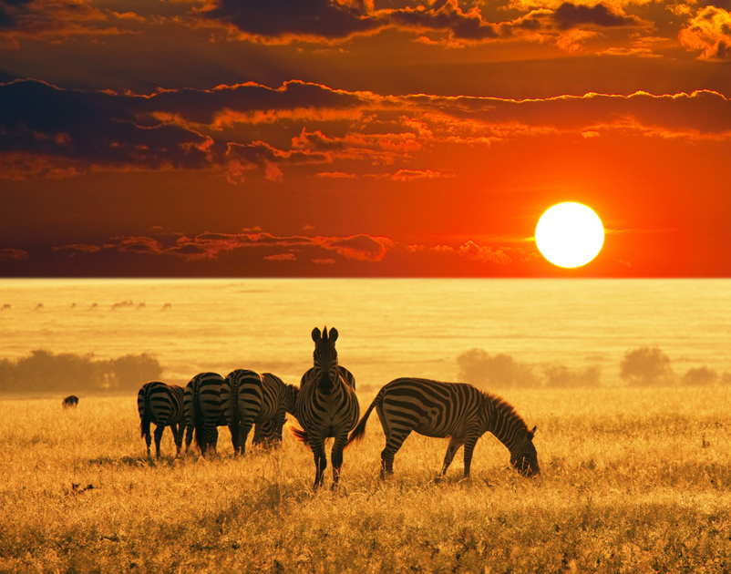
Executive View

Profit Margin by Product Line
 | Total
Classic Cars | 1526212.2
Motorcycles | 469255.3
Planes | 365960.71
Ships | 261289.47
Trains | 65341.02
Trucks and Buses | 400553.22
Vintage Cars | 737268.33
TOP EMPLOYEE
Gerard Hernandez
Sales By City
 | Total
Boston | 892538.62
London | 1436950.7
NYC | 1157589.72
Paris | 3083761.58
San Francisco | 1429063.57
Sydney | 1147176.35
Tokyo | 457110.07

Status by Order Number
 | Total
Cancelled | 6
Disputed | 3
In Process | 6
On Hold | 4
Resolved | 4
Shipped | 303

Sales by Year
 | Total
2003 | 3317348.39
2004 | 4515905.51
2005 | 1770936.71

